AuNP_05_2358np
 | Label | Area | Mean | Min | Max | Perim. | a | b | Angle | R_eff | Re3 | a/b (asp rat) | e
1 |  | 379.043 | 255 | 255 | 255 | 68.2 | 22.886 | 21.087 | 8.48 | 10.984222057 | 1325.2808178 | 1.0853132262 | 0.38863215962
2 |  | 484.823 | 255 | 255 | 255 | 78.336 | 27.263 | 22.643 | 118.583 | 12.422719265 | 1917.1231559 | 1.2040365676 | 0.41165573103
3 |  | 502.453 | 255 | 255 | 255 | 80.076 | 26.1 | 24.512 | 60.951 | 12.646570968 | 2022.6389043 | 1.0647845953 | 0.24666356009 | N particles | R_min | R_max | <R> | <R^3>^1/3 | <a/b> | <e>
4 |  | 528.898 | 255 | 255 | 255 | 80.796 | 28.821 | 23.365 | 73.774 | 12.975109332 | 2184.4045783 | 1.2335116627 | 0.43509356295 | 2358 | 4.103098 | 15.89119 | 11.22398 | 11.61843 | 1.208251 | 0.377133
5 |  | 211.559 | 255 | 255 | 255 | 51.404 | 17.129 | 15.726 | 1.50E-13 | 8.206175797 | 552.61472026 | 1.0892153122 | 0.28619551976
6 |  | 625.862 | 255 | 255 | 255 | 91.952 | 32.549 | 24.483 | 168.408 | 14.114462866 | 2811.8559381 | 1.3294530899 | 0.49780617981
7 |  | 290.894 | 255 | 255 | 255 | 59.802 | 20.426 | 18.132 | 169.206 | 9.6226002739 | 890.99924552 | 1.1265166556 | 0.33512362338 |  | lognormal fit
8 |  | 396.673 | 255 | 255 | 255 | 71.678 | 24.593 | 20.537 | 52.319 | 11.236767217 | 1418.8097101 | 1.1974972002 | 0.40610956484 |  | y0 | 1.36649
9 |  | 476.008 | 255 | 255 | 255 | 77.616 | 26.372 | 22.981 | 127.467 | 12.309266928 | 1865.0761502 | 1.1475566773 | 0.35858520044 |  | xc | 11.37921
10 |  | 370.228 | 255 | 255 | 255 | 68.2 | 23.282 | 20.247 | 128.875 | 10.855746522 | 1279.3196848 | 1.1498987504 | 0.36105154292 |  | w | 0.17867
11 |  | 370.228 | 255 | 255 | 255 | 67.479 | 23.146 | 20.366 | 131.169 | 10.855746522 | 1279.3196848 | 1.1365020132 | 0.34656477886 |  | A | 86.89626
12 |  | 449.563 | 255 | 255 | 255 | 78.336 | 27.104 | 21.118 | 11.098 | 11.962455741 | 1711.8315719 | 1.2834548726 | 0.46995000865 |  | mu | 11.56231
13 |  | 617.047 | 255 | 255 | 255 | 90.212 | 33.152 | 23.698 | 167.695 | 14.014712282 | 2752.6599158 | 1.3989366191 | 0.53401435566 |  | sigma | 2.08249
14 |  | 273.264 | 255 | 255 | 255 | 59.802 | 20.689 | 16.817 | 148.532 | 9.3264480237 | 811.23900319 | 1.2302432063 | 0.43261136504
15 |  | 326.154 | 255 | 255 | 255 | 65.74 | 21.795 | 19.053 | 54.427 | 10.189113927 | 1057.8138639 | 1.1439143442 | 0.35469518141
16 |  | 484.823 | 255 | 255 | 255 | 77.616 | 25.312 | 24.387 | 123.356 | 12.422719265 | 1917.1231559 | 1.0379300447 | 0.19116467177
17 |  | 299.709 | 255 | 255 | 255 | 64.001 | 22.724 | 16.793 | 171.925 | 9.7673096438 | 931.80463823 | 1.3531828738 | 0.51088314146 |  |  | N particles | R_min | R_max | <R> | <R^3>^1/3 | <asp rac> | <e>
18 |  | 343.783 | 255 | 255 | 255 | 64.001 | 22.05 | 19.852 | 33.69 | 10.460856925 | 1144.7266316 | 1.110719323 | 0.31572541818 |  |  | 2358 | 4.103098 | 15.89119 | 11.22398 | 11.61843 | 1.208251 | 0.377133
19 |  | 440.748 | 255 | 255 | 255 | 75.877 | 26.451 | 21.216 | 12.42 | 11.844595633 | 1661.7309791 | 1.2467477376 | 0.44487427705
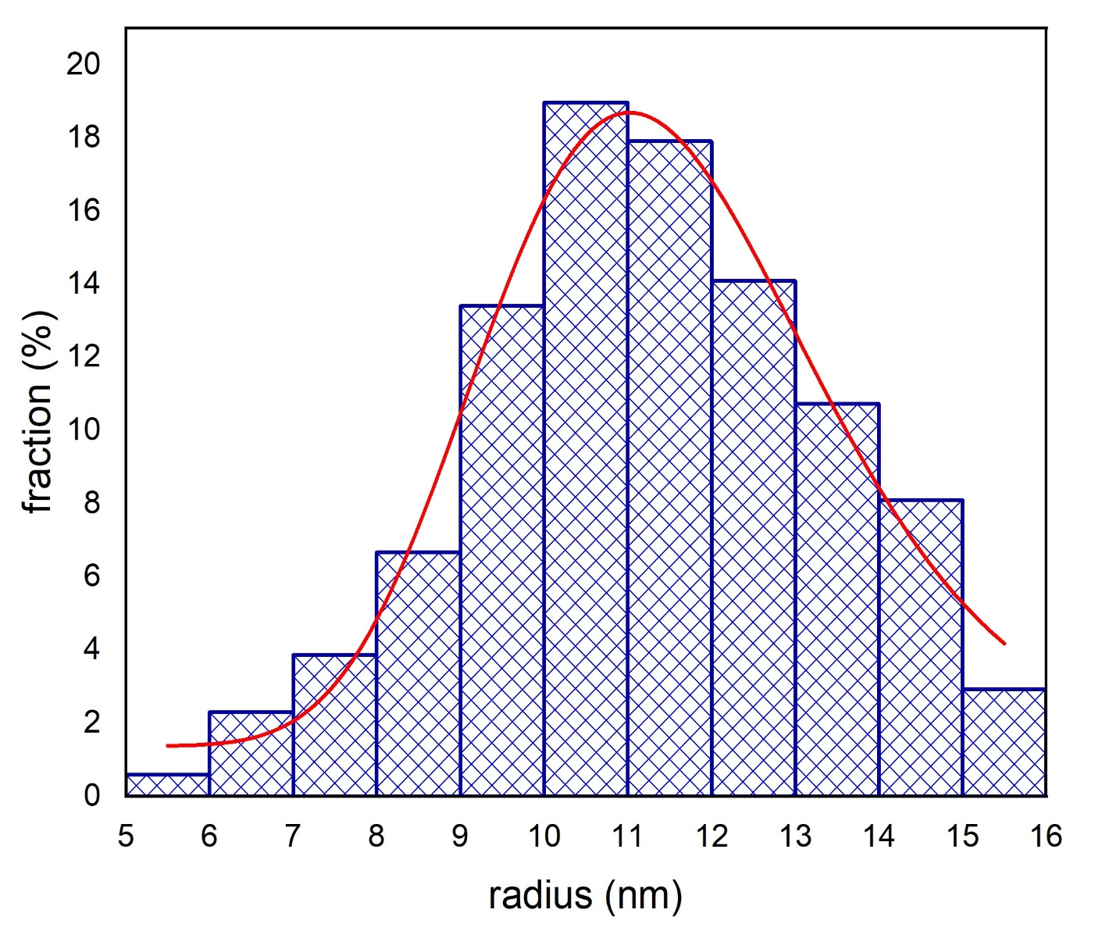
20 |  | 264.449 | 255 | 255 | 255 | 55.603 | 19.385 | 17.369 | 45.001 | 9.1747877954 | 772.30364508 | 1.1160688583 | 0.32248711067
21 |  | 775.717 | 255 | 255 | 255 | 107.008 | 39.891 | 24.76 | 158.91 | 15.71363707 | 3879.9859662 | 1.6111066236 | 0.61588035849
22 |  | 722.827 | 255 | 255 | 255 | 102.088 | 36.683 | 25.089 | 100.82 | 15.168486414 | 3490.0105578 | 1.4621148711 | 0.56219143536
23 |  | 405.488 | 255 | 255 | 255 | 69.939 | 24.312 | 21.236 | 1.603 | 11.360934782 | 1466.3653856 | 1.1448483707 | 0.35569914562
24 |  | 493.638 | 255 | 255 | 255 | 81.815 | 28.958 | 21.704 | 36.428 | 12.535144818 | 1969.6454951 | 1.3342241062 | 0.50050047471
25 |  | 440.748 | 255 | 255 | 255 | 75.877 | 25.039 | 22.412 | 71.751 | 11.844595633 | 1661.7309791 | 1.1172139925 | 0.32390790439
26 |  | 379.043 | 255 | 255 | 255 | 68.2 | 24.667 | 19.565 | 164.989 | 10.984222057 | 1325.2808178 | 1.2607717864 | 0.45479120789
27 |  | 440.748 | 255 | 255 | 255 | 74.138 | 26.766 | 20.966 | 10.262 | 11.844595633 | 1661.7309791 | 1.2766383669 | 0.46550275966
28 |  | 696.382 | 255 | 255 | 255 | 94.411 | 30.51 | 29.061 | 88.536 | 14.888427558 | 3300.2473914 | 1.049860638 | 0.21792802796
29 |  | 317.339 | 255 | 255 | 255 | 61.541 | 21.888 | 18.46 | 72.971 | 10.050479639 | 1015.2204661 | 1.1856988082 | 0.39574675877
30 |  | 158.669 | 255 | 255 | 255 | 43.007 | 15.683 | 12.881 | 0 | 7.1067511094 | 358.93294138 | 1.2175296949 | 0.42268758709
31 |  | 264.449 | 255 | 255 | 255 | 55.603 | 19.385 | 17.369 | 135 | 9.1747877954 | 772.30364508 | 1.1160688583 | 0.32248711067
32 |  | 299.709 | 255 | 255 | 255 | 59.802 | 21.003 | 18.169 | 1.26E-13 | 9.7673096438 | 931.80463823 | 1.1559799659 | 0.36733241729
33 |  | 493.638 | 255 | 255 | 255 | 78.336 | 26.037 | 24.14 | 88.994 | 12.535144818 | 1969.6454951 | 1.0785832643 | 0.26992194451
34 |  | 370.228 | 255 | 255 | 255 | 65.74 | 22.272 | 21.165 | 32.178 | 10.855746522 | 1279.3196848 | 1.052303331 | 0.22294318512
35 |  | 343.783 | 255 | 255 | 255 | 64.001 | 21.931 | 19.959 | 155.812 | 10.460856925 | 1144.7266316 | 1.0988025452 | 0.29986393644
36 |  | 317.339 | 255 | 255 | 255 | 61.541 | 21.888 | 18.46 | 107.029 | 10.050479639 | 1015.2204661 | 1.1856988082 | 0.39574675877
37 |  | 326.154 | 255 | 255 | 255 | 63.28 | 22.697 | 18.296 | 22.884 | 10.189113927 | 1057.8138639 | 1.2405443813 | 0.44034336356
38 |  | 661.122 | 255 | 255 | 255 | 94.411 | 32.774 | 25.684 | 21.847 | 14.506607756 | 3052.7947414 | 1.2760473447 | 0.46511290855
39 |  | 379.043 | 255 | 255 | 255 | 67.479 | 22.912 | 21.064 | 45.002 | 10.984222057 | 1325.2808178 | 1.0877326244 | 0.2840007475
40 |  | 564.158 | 255 | 255 | 255 | 84.274 | 28.467 | 25.233 | 90 | 13.400636879 | 2406.4470904 | 1.1281654976 | 0.33705374513
41 |  | 617.047 | 255 | 255 | 255 | 88.473 | 31.424 | 25.002 | 142.498 | 14.014712282 | 2752.6599158 | 1.2568594512 | 0.45206867798
42 |  | 273.264 | 255 | 255 | 255 | 59.802 | 21.323 | 16.317 | 74.415 | 9.3264480237 | 811.23900319 | 1.3067965925 | 0.48453066642
43 |  | 423.118 | 255 | 255 | 255 | 72.398 | 24.106 | 22.348 | 147.283 | 11.605285107 | 1563.0304643 | 1.0786647575 | 0.270051665
44 |  | 282.079 | 255 | 255 | 255 | 59.802 | 20.672 | 17.374 | 77.004 | 9.4756812095 | 850.8075281 | 1.1898238748 | 0.39942392728
45 |  | 590.602 | 255 | 255 | 255 | 87.753 | 31.349 | 23.987 | 158.846 | 13.711107009 | 2577.612095 | 1.3069162463 | 0.48460295789
46 |  | 220.374 | 255 | 255 | 255 | 53.144 | 17.75 | 15.808 | 66.419 | 8.3753938927 | 587.51062191 | 1.1228491903 | 0.33076948273
47 |  | 246.819 | 255 | 255 | 255 | 55.603 | 18.772 | 16.741 | 41.807 | 8.8636859036 | 696.37484304 | 1.1213189176 | 0.32892712488
48 |  | 405.488 | 255 | 255 | 255 | 69.939 | 24.675 | 20.923 | 58.332 | 11.360934782 | 1466.3653856 | 1.1793241887 | 0.38994453143
49 |  | 687.567 | 255 | 255 | 255 | 95.132 | 35.639 | 24.564 | 139.069 | 14.793896495 | 3237.7829188 | 1.4508630516 | 0.55745409828
50 |  | 290.894 | 255 | 255 | 255 | 59.802 | 21.192 | 17.478 | 94.698 | 9.6226002739 | 890.99924552 | 1.2124957089 | 0.41863446243
51 |  | 352.598 | 255 | 255 | 255 | 68.2 | 23.285 | 19.28 | 82.996 | 10.594122392 | 1189.0358741 | 1.2077282158 | 0.41472779154
52 |  | 423.118 | 255 | 255 | 255 | 75.877 | 27.677 | 19.465 | 87.083 | 11.605285107 | 1563.0304643 | 1.4218854354 | 0.54470951735
53 |  | 317.339 | 255 | 255 | 255 | 64.001 | 20.929 | 19.305 | 109.968 | 10.050479639 | 1015.2204661 | 1.0841232841 | 0.27856001263
54 |  | 379.043 | 255 | 255 | 255 | 70.659 | 22.899 | 21.076 | 155.22 | 10.984222057 | 1325.2808178 | 1.0864964889 | 0.28215326214
55 |  | 511.268 | 255 | 255 | 255 | 78.336 | 26.287 | 24.763 | 90 | 12.757023904 | 2076.0992326 | 1.0615434317 | 0.24078086534
56 |  | 238.004 | 255 | 255 | 255 | 55.603 | 17.943 | 16.888 | 90 | 8.7039661162 | 659.40399661 | 1.0624703932 | 0.24248155099
57 |  | 599.417 | 255 | 255 | 255 | 87.753 | 28.705 | 26.588 | 40.907 | 13.813050244 | 2635.5349185 | 1.079622386 | 0.27156991316
58 |  | 458.378 | 255 | 255 | 255 | 75.877 | 25.742 | 22.672 | 136.189 | 12.079165907 | 1762.4257887 | 1.1354093155 | 0.34534092247
59 |  | 714.012 | 255 | 255 | 255 | 96.871 | 34.417 | 26.415 | 34.47 | 15.075711541 | 3426.3636745 | 1.302933939 | 0.48218396918
60 |  | 158.669 | 255 | 255 | 255 | 43.727 | 15.106 | 13.373 | 154.594 | 7.1067511094 | 358.93294138 | 1.1295894713 | 0.33870728774
61 |  | 476.008 | 255 | 255 | 255 | 79.355 | 25.93 | 23.373 | 114.859 | 12.309266928 | 1865.0761502 | 1.1093997347 | 0.3140249142
62 |  | 334.969 | 255 | 255 | 255 | 63.28 | 22.231 | 19.185 | 90 | 10.325887093 | 1100.9868099 | 1.1587698723 | 0.37015655975
63 |  | 370.228 | 255 | 255 | 255 | 71.678 | 22.503 | 20.948 | 96.692 | 10.855746522 | 1279.3196848 | 1.0742314302 | 0.2628723978
64 |  | 334.969 | 255 | 255 | 255 | 64.001 | 22.018 | 19.371 | 141.849 | 10.325887093 | 1100.9868099 | 1.1366475659 | 0.3467272994
65 |  | 387.858 | 255 | 255 | 255 | 70.659 | 23.093 | 21.384 | 41.002 | 11.111212168 | 1371.7795412 | 1.079919566 | 0.27203880196
66 |  | 484.823 | 255 | 255 | 255 | 76.597 | 26.499 | 23.295 | 159.901 | 12.422719265 | 1917.1231559 | 1.1375402447 | 0.34772147335
67 |  | 467.193 | 255 | 255 | 255 | 77.616 | 25.789 | 23.066 | 57.949 | 12.194759147 | 1813.5088595 | 1.1180525449 | 0.324942539
68 |  | 273.264 | 255 | 255 | 255 | 57.342 | 19.184 | 18.136 | 30.964 | 9.3264480237 | 811.23900319 | 1.0577856198 | 0.23372816985
69 |  | 290.894 | 255 | 255 | 255 | 59.802 | 21.781 | 17.004 | 55.93 | 9.6226002739 | 890.99924552 | 1.2809338979 | 0.4683156953
70 |  | 661.122 | 255 | 255 | 255 | 96.871 | 35.83 | 23.494 | 163.25 | 14.506607756 | 3052.7947414 | 1.5250702307 | 0.5867644266
71 |  | 387.858 | 255 | 255 | 255 | 69.939 | 24.269 | 20.348 | 63.393 | 11.111212168 | 1371.7795412 | 1.192697071 | 0.401950414
72 |  | 414.303 | 255 | 255 | 255 | 73.417 | 25.418 | 20.753 | 83.674 | 11.483759871 | 1514.4408236 | 1.2247867778 | 0.42840559722
73 |  | 211.559 | 255 | 255 | 255 | 51.404 | 17.277 | 15.591 | 75.637 | 8.206175797 | 552.61472026 | 1.1081393111 | 0.31238819844
74 |  | 158.669 | 255 | 255 | 255 | 43.727 | 15.106 | 13.373 | 25.406 | 7.1067511094 | 358.93294138 | 1.1295894713 | 0.33870728774
75 |  | 431.933 | 255 | 255 | 255 | 74.138 | 24.701 | 22.265 | 44.082 | 11.725550907 | 1612.1289226 | 1.1094093869 | 0.31403740078
76 |  | 661.122 | 255 | 255 | 255 | 91.952 | 30.526 | 27.576 | 71.165 | 14.506607756 | 3052.7947414 | 1.1069770815 | 0.31086802786
77 |  | 326.154 | 255 | 255 | 255 | 64.001 | 22.801 | 18.213 | 165.314 | 10.189113927 | 1057.8138639 | 1.2519079778 | 0.44857468137
78 |  | 299.709 | 255 | 255 | 255 | 62.262 | 22.997 | 16.593 | 171.936 | 9.7673096438 | 931.80463823 | 1.3859458808 | 0.52770361466
79 |  | 379.043 | 255 | 255 | 255 | 67.479 | 22.912 | 21.064 | 135 | 10.984222057 | 1325.2808178 | 1.0877326244 | 0.2840007475
80 |  | 423.118 | 255 | 255 | 255 | 72.398 | 24.028 | 22.421 | 54.719 | 11.605285107 | 1563.0304643 | 1.0716738772 | 0.25861227022
81 |  | 405.488 | 255 | 255 | 255 | 72.398 | 25.85 | 19.972 | 129.333 | 11.360934782 | 1466.3653856 | 1.2943120369 | 0.47685299772
82 |  | 458.378 | 255 | 255 | 255 | 79.355 | 30.813 | 18.941 | 173.246 | 12.079165907 | 1762.4257887 | 1.6267884483 | 0.62071887537
83 |  | 334.969 | 255 | 255 | 255 | 63.28 | 22.231 | 19.185 | 90 | 10.325887093 | 1100.9868099 | 1.1587698723 | 0.37015655975
84 |  | 476.008 | 255 | 255 | 255 | 77.616 | 28.585 | 21.202 | 179.707 | 12.309266928 | 1865.0761502 | 1.3482218659 | 0.50821483243
85 |  | 149.854 | 255 | 255 | 255 | 43.727 | 14.117 | 13.516 | 0 | 6.906519361 | 329.4410404 | 1.0444658183 | 0.20633173432
86 |  | 370.228 | 255 | 255 | 255 | 67.479 | 23.146 | 20.366 | 41.169 | 10.855746522 | 1279.3196848 | 1.1365020132 | 0.34656477886
87 |  | 370.228 | 255 | 255 | 255 | 67.479 | 23.012 | 20.485 | 142.513 | 10.855746522 | 1279.3196848 | 1.123358555 | 0.33137934736
88 |  | 343.783 | 255 | 255 | 255 | 64.001 | 21.826 | 20.055 | 150.625 | 10.460856925 | 1144.7266316 | 1.0883071553 | 0.28485392316
89 |  | 440.748 | 255 | 255 | 255 | 76.597 | 25.1 | 22.358 | 174.433 | 11.844595633 | 1661.7309791 | 1.1226406655 | 0.33051933058
90 |  | 352.598 | 255 | 255 | 255 | 69.939 | 24.297 | 18.477 | 12.951 | 10.594122392 | 1189.0358741 | 1.3149861991 | 0.48942389107
91 |  | 502.453 | 255 | 255 | 255 | 80.076 | 30.108 | 21.248 | 90.819 | 12.646570968 | 2022.6389043 | 1.4169804217 | 0.54247022695
92 |  | 264.449 | 255 | 255 | 255 | 55.603 | 19.385 | 17.369 | 45.001 | 9.1747877954 | 772.30364508 | 1.1160688583 | 0.32248711067
93 |  | 193.929 | 255 | 255 | 255 | 47.206 | 16.491 | 14.973 | 134.999 | 7.856813471 | 484.99730793 | 1.1013824885 | 0.3033977739
94 |  | 502.453 | 255 | 255 | 255 | 78.336 | 28.161 | 22.717 | 119.327 | 12.646570968 | 2022.6389043 | 1.2396443192 | 0.43967828999
95 |  | 652.307 | 255 | 255 | 255 | 106.287 | 44.156 | 18.809 | 24.023 | 14.409572059 | 2991.9425456 | 2.3475995534 | 0.75764963803
96 |  | 555.343 | 255 | 255 | 255 | 81.815 | 28.499 | 24.811 | 68.049 | 13.295531848 | 2350.2666823 | 1.1486437467 | 0.35973330316
97 |  | 308.524 | 255 | 255 | 255 | 62.262 | 22.277 | 17.634 | 35.991 | 9.9099061209 | 973.2146122 | 1.263298174 | 0.45653175316
98 |  | 264.449 | 255 | 255 | 255 | 58.063 | 20.3 | 16.587 | 62.183 | 9.1747877954 | 772.30364508 | 1.223850003 | 0.42767558259
99 |  | 555.343 | 255 | 255 | 255 | 86.014 | 29.228 | 24.192 | 102.559 | 13.295531848 | 2350.2666823 | 1.2081679894 | 0.41509099452
100 |  | 502.453 | 255 | 255 | 255 | 78.336 | 26.983 | 23.709 | 70.171 | 12.646570968 | 2022.6389043 | 1.1380910203 | 0.34833267975
101 |  | 484.823 | 255 | 255 | 255 | 80.076 | 27.236 | 22.665 | 64.866 | 12.422719265 | 1917.1231559 | 1.2016765939 | 0.40966979815
102 |  | 581.787 | 255 | 255 | 255 | 88.473 | 29.954 | 24.73 | 112.502 | 13.608400117 | 2520.1199366 | 1.2112414072 | 0.4176131557
103 |  | 361.413 | 255 | 255 | 255 | 66.46 | 24.799 | 18.556 | 148.399 | 10.725732185 | 1233.9025053 | 1.3364410433 | 0.50174099089
104 |  | 246.819 | 255 | 255 | 255 | 59.802 | 17.984 | 17.474 | 97.466 | 8.8636859036 | 696.37484304 | 1.0291862195 | 0.16839994336
105 |  | 537.713 | 255 | 255 | 255 | 82.535 | 29.317 | 23.353 | 163.153 | 13.08278884 | 2239.241815 | 1.2553847471 | 0.45103376387
106 |  | 705.197 | 255 | 255 | 255 | 96.15 | 36.125 | 24.855 | 61.148 | 14.98236219 | 3363.1084723 | 1.4534298934 | 0.55854482214
107 |  | 211.559 | 255 | 255 | 255 | 51.404 | 17.234 | 15.63 | 93.071 | 8.206175797 | 552.61472026 | 1.1026231606 | 0.30507676861
108 |  | 308.524 | 255 | 255 | 255 | 62.262 | 21.003 | 18.703 | 118.62 | 9.9099061209 | 973.2146122 | 1.1229749238 | 0.33092017995
109 |  | 511.268 | 255 | 255 | 255 | 81.815 | 26.362 | 24.694 | 31.581 | 12.757023904 | 2076.0992326 | 1.0675467725 | 0.25154103602
110 |  | 387.858 | 255 | 255 | 255 | 71.678 | 25.71 | 19.208 | 57.584 | 11.111212168 | 1371.7795412 | 1.3385047897 | 0.50288935679
111 |  | 643.492 | 255 | 255 | 255 | 90.212 | 29.804 | 27.49 | 96.991 | 14.311878468 | 2931.5001385 | 1.084176064 | 0.27864060213
112 |  | 696.382 | 255 | 255 | 255 | 95.132 | 31.082 | 28.526 | 178.281 | 14.888427558 | 3300.2473914 | 1.0896024679 | 0.28676486966
113 |  | 352.598 | 255 | 255 | 255 | 67.479 | 22.395 | 20.047 | 105.71 | 10.594122392 | 1189.0358741 | 1.1171247568 | 0.3237975161
114 |  | 387.858 | 255 | 255 | 255 | 69.939 | 23.196 | 21.29 | 91.149 | 11.111212168 | 1371.7795412 | 1.0895255989 | 0.28665194843
115 |  | 379.043 | 255 | 255 | 255 | 69.939 | 23.178 | 20.822 | 79.91 | 10.984222057 | 1325.2808178 | 1.1131495534 | 0.31882301453
...

